HLS customer feedback
Home Library Service Customer Feedback Log
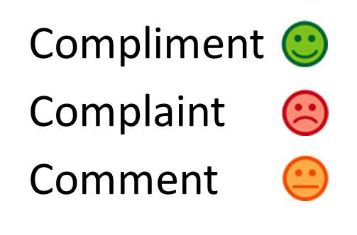

Date | Entered by | Type of feedback | Summary of feedback | Patron's name | How feedback was collected (e.g. in person, by phone, letter, email, etc.) | Who collected feedback: | Notes/Comments
2016-05-11 | John | Compliment | Note from customer's mother reads: "My son has asked me to thank you so much for the best selection of DVD's he's had. Your choice is his choice . Thanks for making him and us so happy." | XXXXX | In writing - note from customer's mother in HLS bag | Volunteer Anne | Wesley's mother XXXXX advised they do not wish to give a customer testimonial. John 30/5/16
2016-05-05 | Mary | Compliment | Thank you for a great service. I look forward to Fridays and still being able to read at 90 | XXXXX | Note in bag | Mary

